ROC
Reciever Operating Characteristic Curve (ROC Curve)

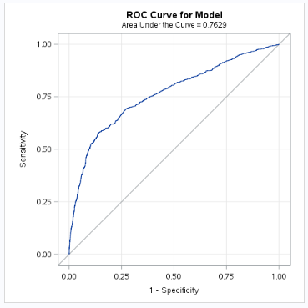
 | Specificity | Sensitivity
 | 0 | 100
 | 0.7 | 99.9
 | 15.1 | 95.7
 | 36.3 | 86.2
 | 55.5 | 77.3
 | 70.1 | 69.3
 | 78.8 | 62.1
 | 84.4 | 57.7
 | 87 | 55.8
 | 87.6 | 54.4
 | 87.9 | 53.8
 | 88.1 | 53.6
 | 88.3 | 53.4
 | 88.7 | 53.3
 | 89 | 53.2
 | 89.4 | 52.7
 | 90 | 51
 | 90.6 | 48.9
 | 91.3 | 46.9
 | 92.2 | 43.1
 | 93 | 39.7
 | 93.7 | 36.5
 | 94.6 | 33.4
 | 95.3 | 29.7
 | 96.1 | 26.1
 | 96.9 | 23
 | 97.5 | 19.5
 | 98.1 | 15.7
 | 98.6 | 12.5
 | 99 | 9.7
 | 99.4 | 7.6
 | 99.6 | 5.2
 | 99.8 | 3.5
 | 99.9 | 0.7
 | 99.9 | 1.1
 | 99.9 | 1.5
 | 99.9 | 2.2
 | 99.9 | 2.5
 | 100 | 0
 | 100 | 0.1
 | 100 | 0.1
 | 100 | 0.3

